Test
 |  |  | Date | Initial | ISSUE | ECN | DATE
 |  | Drawn | 2021-07-15 | JS | A |  | 2022-09-26
 |  | Checked

 | FIB35P/734 SSATS Final Test | Approved

 |  |  | Specification Number:
 |  | 82097

 |  |  |  | Overall Result |  | Incomplete

 | Unit Type: |  | FIB35P/734

 | Serial Number:

 | Date:

 | Tested By:
 | Comments:

1 | Test Equipment
Alias | Equipment Description |  | Equipment Type | Model | Serial Number | Address | Calibration No |  | DO_ALL
DMM1 | KEITHLEY 2002 DMM |  | DMM | K2002 |  |  |  |  | TEX | CONNECT
DMM2 | KEITHLEY 6500 DMM |  | DMM | DMM6500 |  |  |  |  | TEX | CONNECT
OSC | TBS2000B OSCILLOSCOPE |  | OSC | TBS2000 |  |  |  |  | TEX | CONNECT
MULTIP | EASYDAQ RELAY MODULE USB24MxS |  | MULTIP | USB24Mx |  |  |  |  | TEX | CONNECT
 | Default Equipment Settings |  |  |  |  |  |  |  | ATESUB | SubRoutines | K104

TEST SETUP |  |  |  |  |  |  |  | EQUIPMENT LIST
 |  |  |  |  |  |  |  | TBS2000B OSCILLOSCOPE 10X SCOPE PROBE SCOPE PROBE TO BNC ADAPTER 20880 CAP COUPLER 21504 EASYDAQ (SEE DIAGRAM) KEITHLEY 2002 MULTIMETER /W SCANNER CARD KEITHLEY 6500 DMM (CURRENT MEASUREMENT) GENERIC USB HUB RS232 TO USB HUB 20702 CAN TO OPTO CONVERTER FIB RS232 INTERLOCK OVERRIDE 240V MAINS LEAD 20741 LOAD 47792 FIB/734 GUI
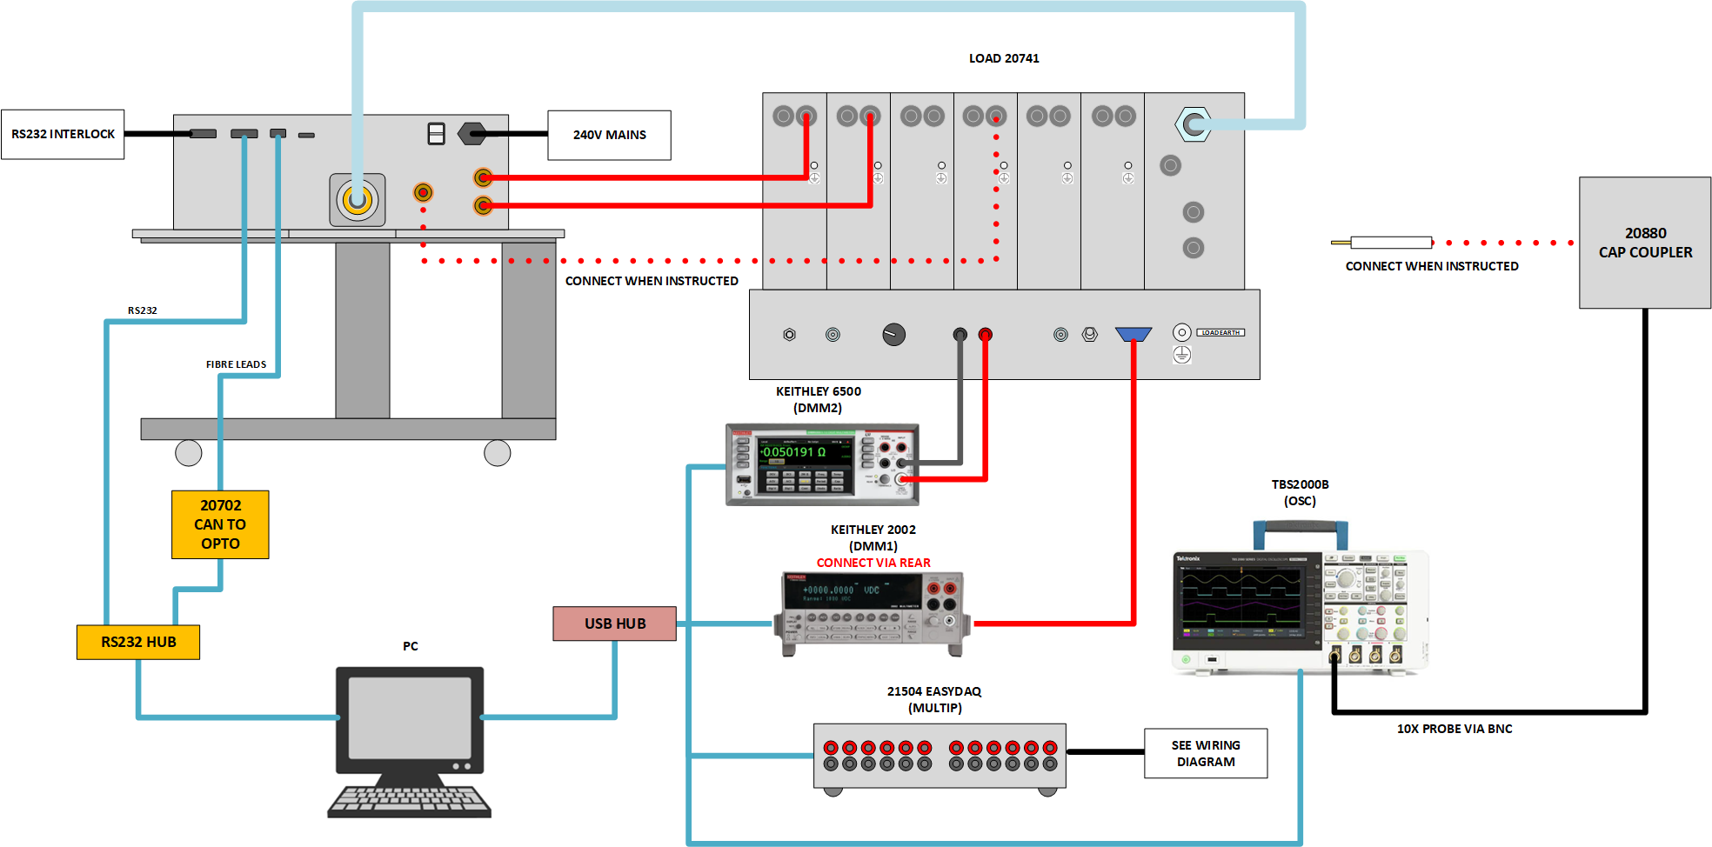

 | Test Status
 | Output | Test Section | Status | - | -
 | Chassis and Readbacks | 1 | Incomplete | DO_ALL
 |  |  |  | GOTO | A99
 | Lens 1 | 2 | Incomplete | DO_ALL
 |  |  |  | GOTO
 | Lens 2 | 3 | Incomplete | DO_ALL
 |  |  |  | GOTO
 | Accelerator | 4 | Incomplete | DO_ALL
 |  |  |  | GOTO
 | Extractor | 5 | Incomplete | DO_ALL
 |  |  |  | GOTO
 | Suppressor | 6 | Incomplete | DO_ALL
 |  |  |  | GOTO
 | Filament | 7 | Incomplete | DO_ALL
 |  |  |  | GOTO
 | Overall Result |  | Incomplete
 | Select Test

 | Chassis and Readbacks

1 | Chassis and Readbacks
 | PLEASE ENSURE UUT HAS BEEN TESTED UNDER 80103 SAFTEY TEST AND PASSED, THIS TEST MUST BE COMPLETED FIRST IN ORDER TO CONTINUE. Before testing, please carry out the saftey test described in 80103. Following its completion, please press the button to the right to verify the result. |  |  |  |  |  |  |  |  | DO_ALL
 |  |  |  |  |  |  |  |  |  | !
1.01 | HAS UUT PASSED 80103 SAFETY TEST? |  |  |  |  |  |  | TBC |  | PULL_VALUE | FILE_LOCATION | \\shvukfs2\Operations\Manufacturing\Safety_Test_Log\ | FILE_NO | 80103 | COLUMN | 4 | SHEET_NAME | sheet1

Para. | Description | Config | Load | Value | Min | Max | Unit | Result
 |  |  |  |  |  |  |  |  |  | !
 | GUI Restart & Reset |  |  |  |  |  |  |  |  | ATESUB | SubRoutines | K121
 | PLEASE ENSURE UUT IS ENABLED VIA THE FRONT PANNEL! |  |  |  |  |  |  |  |  | MSGBOX | PLEASE ENSURE UUT IS ENABLED VIA THE FRONT PANNEL!
1.02 | Enter Ground DSP Firmware from GUI |  |  |  |  |  |  |  |  | IPBOX | Enter Ground DSP Firmware from GUI
1.03 | Float DSP Firmware from GUI |  |  |  |  |  |  |  |  | IPBOX | Float DSP Firmware from GUI
 | Shutdown |  |  |  |  |  |  |  |  | TEX | GUI | RETRY | K105 | ABORT | SubRoutines | K56
1.04 | Are both Fans on Unit under Test drawing in Air ? |  |  |  |  |  | Y/N | TBC |  | TEX | GUI | YESNO | TITLE | Fan Test | PROMPT | Are both Fans on Unit under Test drawing in Air ?
 | Shutdown |  |  |  |  |  |  |  |  | TEX | GUI | RETRY | K105 | ABORT | SubRoutines | K56
1.05 | Is the green power LED on? |  |  |  |  |  | Y/N | TBC |  | TEX | GUI | YESNO | TITLE | Power LED | PROMPT | Is the green power LED on?
 | Shutdown |  |  |  |  |  |  |  |  | TEX | GUI | RETRY | K105 | ABORT | SubRoutines | K56
1.06 | Is the activity light flashing? |  |  |  |  |  | Y/N | TBC |  | TEX | GUI | YESNO | TITLE | Coms | PROMPT | Is the activity light flashing?
 | Shutdown |  |  |  |  |  |  |  |  | TEX | GUI | RETRY | K105 | ABORT | SubRoutines | K56
1.07 | Is the INT/LK OK light illuminated? |  |  |  |  |  | Y/N | TBC |  | TEX | GUI | YESNO | TITLE | Interlock LED | PROMPT | Is the INT/LK OK light illuminated?
 | Enable Lens 1 (GUI) | 3 |  |  |  |  |  |  |  | 734|GND|REG1|DEC(3)
1.08 | Is the HV ENABLE LED illuminated? |  |  |  |  |  | Y/N | TBC |  | TEX | GUI | YESNO | TITLE | HV LED | PROMPT | Is the HV ENABLE LED illuminated?
 | Disable Lens 1 (GUI) | 2 |  |  |  |  |  |  |  | 734|GND|REG1|DEC(2)
 | Shutdown |  |  |  |  |  |  |  |  | TEX | GUI | RETRY | K105 | ABORT | SubRoutines | K56
 |  |  |  |  |  |  |  |  |  | !
 |  |  | Temp Mons |  |  |  |  |  |  | !
 |  |  |  |  |  |  |  |  |  | !
 |  |  |  | FAIL |  |  |  |  |  | 734|GND|MON14
 | Initializing | 5000 |  |  |  |  |  |  |  | TEX | GUI | PROCESS | Initializing | 5000
1.09 | Lens 2 Buck |  |  |  | 10 | 50 | °C | TBC |  | 734|GND|MON14
1.1 | Lens 2 Pos Control |  |  |  | 10 | 50 | °C | TBC |  | 734|GND|MON15
1.11 | Lens 2 Neg Control |  |  |  | 10 | 50 | °C | TBC |  | 734|GND|MON16
1.12 | Lens 2 Regulator |  |  |  | 10 | 50 | °C | TBC |  | 734|GND|MON17
1.13 | ISO Buck |  |  |  | 10 | 50 | °C | TBC |  | 734|GND|MON18
1.14 | ISO Control |  |  |  | 10 | 50 | °C | TBC |  | 734|GND|MON19
1.15 | Suppressor Control |  |  |  | 10 | 50 | °C | TBC |  | 734|FLOAT|MON7
1.16 | Suppressor Regulator |  |  |  | 10 | 50 | °C | TBC |  | 734|FLOAT|MON6
1.17 | Extractor Buck |  |  |  | 10 | 50 | °C | TBC |  | 734|FLOAT|MON8
1.18 | Extractor Control |  |  |  | 10 | 50 | °C | TBC |  | 734|FLOAT|MON9
1.19 | Extractor Regulator |  |  |  | 10 | 50 | °C | TBC |  | 734|FLOAT|MON10
1.2 | Filament |  |  |  | 10 | 50 | °C | TBC |  | 734|FLOAT|MON11
1.21 | Accelerator Buck |  |  |  | 10 | 50 | °C | TBC |  | 734|GND|MON6
1.22 | Accelerator Control |  |  |  | 10 | 50 | °C | TBC |  | 734|GND|MON7
1.23 | Accelerator Regulator |  |  |  | 10 | 50 | °C | TBC |  | 734|GND|MON8
1.24 | Lens 1 Buck |  |  |  | 10 | 50 | °C | TBC |  | 734|GND|MON9
1.25 | Lens 1 Control |  |  |  | 10 | 50 | °C | TBC |  | 734|GND|MON10
1.26 | Lens 1 Regulator |  |  |  | 10 | 50 | °C | TBC |  | 734|GND|MON11
 | Shutdown |  |  |  |  |  |  |  |  | TEX | GUI | RETRY | K139 | ABORT | SubRoutines | K56
 |  |  |  |  |  |  |  |  |  | !
 |  |  | Rails |  |  |  |  |  |  | !
 |  |  |  |  |  |  |  |  |  | !
1.27 | Positive 3v3 Ground |  |  |  | 3.1 | 3.5 | V | TBC |  | 734|GND|MON1
1.28 | Positive 5V Ground |  |  |  | 4.8 | 5.2 | V | TBC |  | 734|GND|MON2
1.29 | Positive 15V Ground |  |  |  | 12.5 | 15.5 | V | TBC |  | 734|GND|MON3
1.3 | Positive 24V Ground |  |  |  | 23.5 | 24.5 | V | TBC |  | 734|GND|MON4
1.31 | Negative 15V Ground |  |  |  | 12.5 | 15.5 | V | TBC |  | 734|GND|MON5
1.32 | Positive 3v3 Float |  |  |  | 3.1 | 3.5 | V | TBC |  | 734|FLOAT|MON1
1.33 | Positive 5V Float |  |  |  | 4.8 | 5.2 | V | TBC |  | 734|FLOAT|MON2
1.34 | Positive 15V Float |  |  |  | 12.5 | 15.5 | V | TBC |  | 734|FLOAT|MON3
1.35 | Positive 24V Float |  |  |  | 23.5 | 24.5 | V | TBC |  | 734|FLOAT|MON4
1.36 | Negative 15V Float |  |  |  | 12.5 | 15.5 | V | TBC |  | 734|FLOAT|MON5
 | Shutdown |  |  |  |  |  |  |  |  | TEX | GUI | RETRY | K149 | ABORT | SubRoutines | K56
 |  |  |  |  |  |  |  |  |  | !
 | Shutdown |  |  |  |  |  |  |  |  | ATESUB | SubRoutines | K56
Chassis and Readbacks Overall Verdict |  |  |  |  |  |  | Incomplete
 |  |  |  |  |  |  |  |  |  | DO_ALL | 4 |  | `
 |  |  |  |  |  |  |  |  |  | GOTO | A1

Diagrams
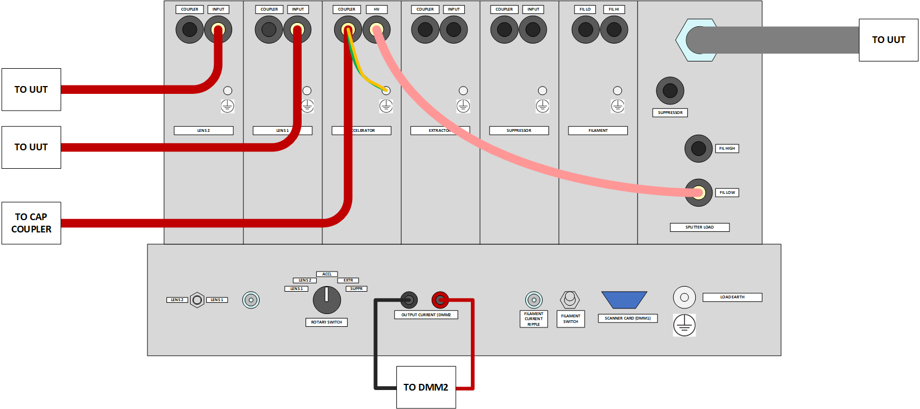
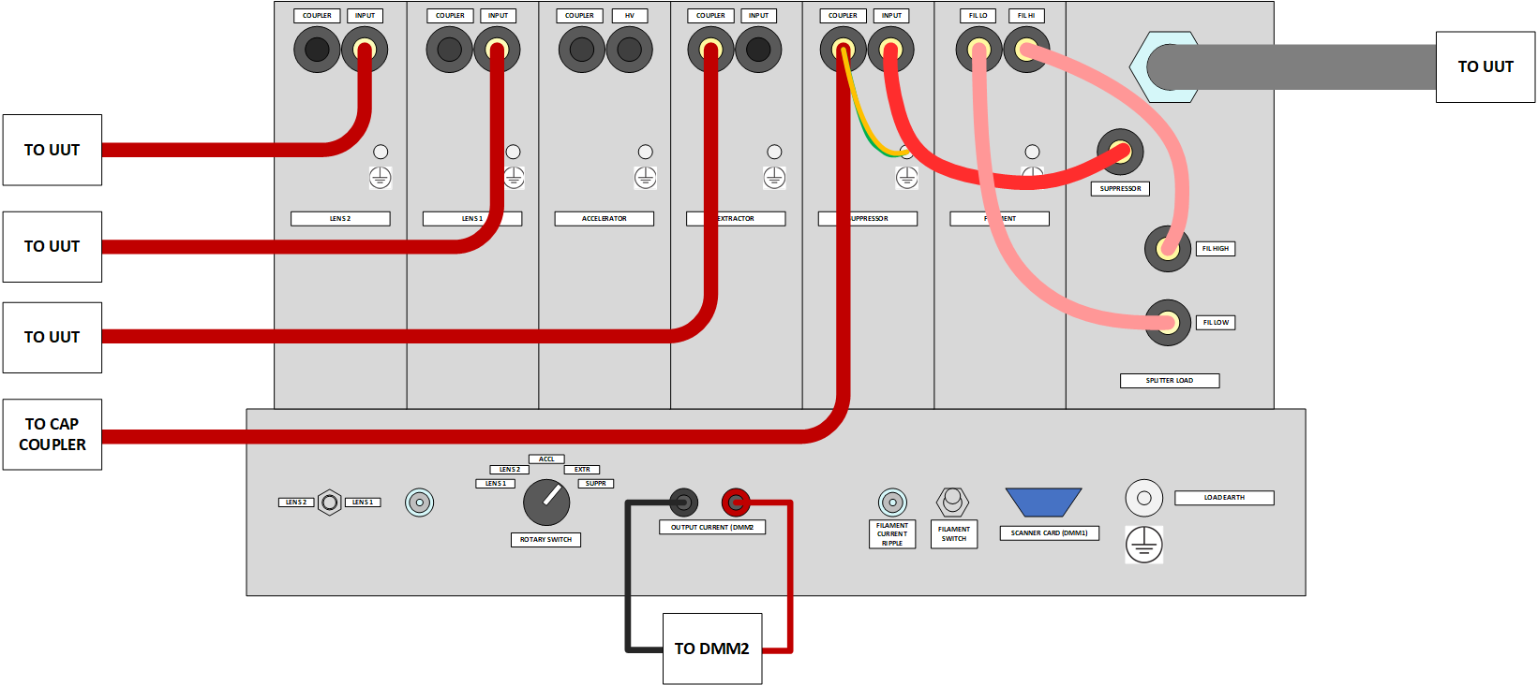

L1 | L2
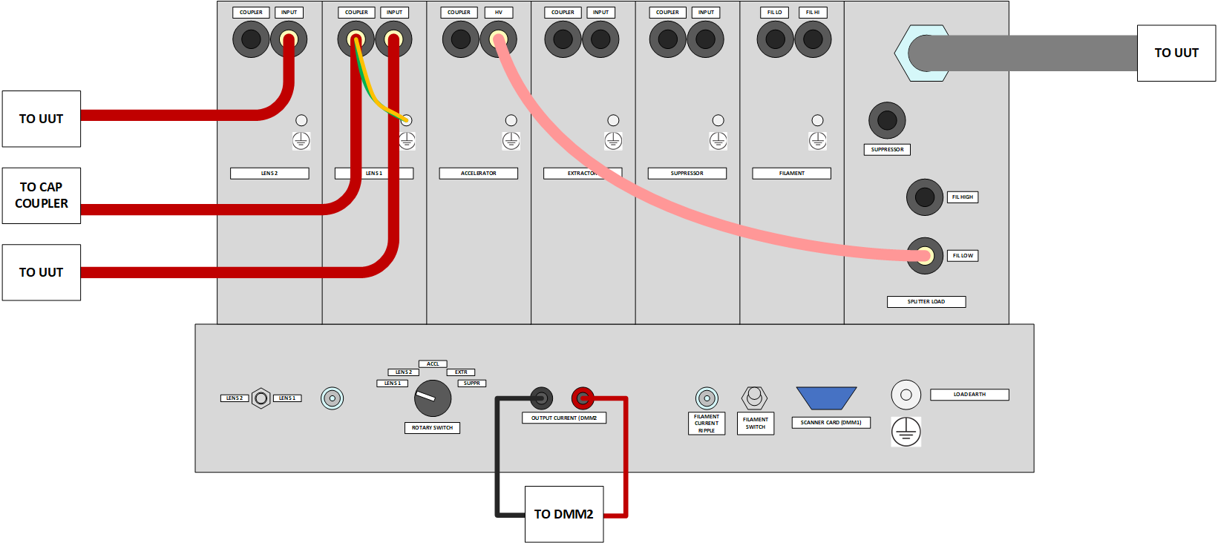
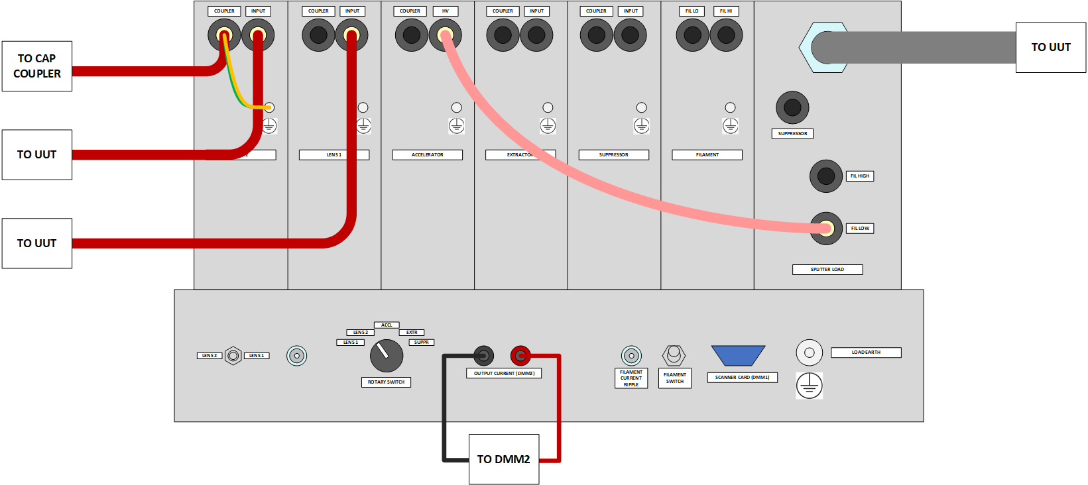
 |  | FIL

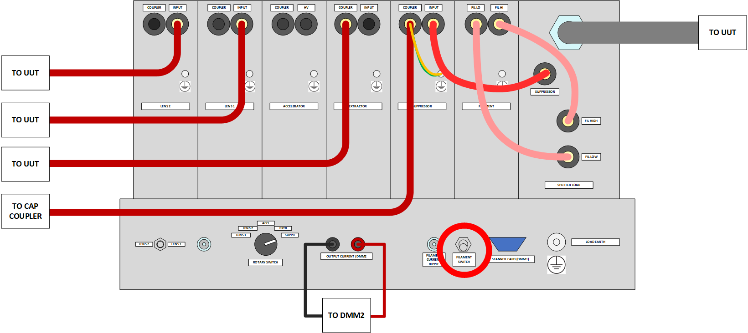

ACC
 | EXT |  | SUPP

